Instructions IKOP declaration
Annex 3 Template for the members' annual IKOP declaration - Instructions

Introduction:

In accordance with Article 4.3 of the S2R JU Regulation, each Other Member shall report the value of IKOP each year by 31 January for the contribution incurred in the previous years.

This template should be used by the S2R members for their annual IKOP declaration to be submitted by 27th of January of the year following that in which the IKOP were sustained.

The IKOP declaration is submitted to S2R consolidated per member and project in the document tabs from 1 to 13 - i.e. One declaration for the Member, its linked third party and its affiliated entities participating in S2R CFM projects (see "Guidance for members and auditors: declaration and auditor certification of IKOP & IKAA" document, chapter 2). |  |  |  |  |  | See example n°1 tab 0. here

List of projects subjet to annual declaration:

Use the following hyper links (Project Acronym) to navigate through the Annex 3 document and access the different declaration templates per project (then click on the button "back to instructions tab" to come back to this screen):

Call | Topic | Project Number | Project Acronym | TAB
H2020-S2RJU-CFM-2015-01 | S2R-CFM-IP2-01-2015 | 730640 | X2Rail-1 | 1
 | S2R-CFM-IP5-01-2015 | 730617 | FR8RAIL | 2
 | S2R-CFM-IP5-02-2015 | 730813 | ARCC | 3
 | S2R-CFM-CCA-02-2015 | 730818 | FINE 1 | 4
 | S2R-CFM-IP4-01-2015 | 730846 | Co-Active | 5
 | S2R-CFM-IP4-02-2015 | 730822 | ATTRACkTIVE | 6
 | S2R-CFM-IP5-03-2015 | 730823 | FFL4E | 7
 | S2R-CFM-CCA-01-2015 | 730816 | IMPACT-1 | 8
 | S2R-CFM-CCA-03-2015 | 730814 | PLASA | 9
H2020-S2RJU-CFM-2016-01 | S2R-CFM-IP1-02-2016 | 730539 | CONNECTA | 10
 | S2R-CFM-IP3-02-2016 | 730569 | IN2SMART | 11
 | S2R-CFM-IP3-01-2016 | 730841 | IN2TRACK | 12
 | S2R-CFM-IP1-01-2016 | 730668 | PINTA | 13

Prerequisite

Fill in the tab "A. Member's list" the list of member, member's affiliates and member's linked third party, and country, participating in the S2R CFM projects listed above and for which a declaration is needed

Access the list of participants |  | here

The total consolidated annual CFM projects' member declaration is available in the tab "B. Conso Declaration" |  |  |  |  | here

Use of template (tabs 1 to 13)

1. Fill in the different declaration template in tab 1 to 13 in accordance with your participation to S2R programme.

2. Enter the different figures in the green cells only. The other one are automatically calculated and locked for editing.

3. Section "Declaration Project" - reference document: Annex 2 of the Grant Agreement
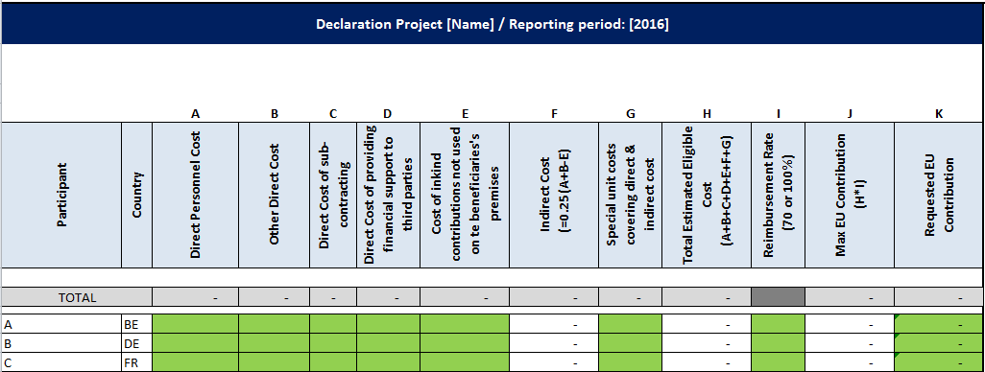

a) Fill in the green cells (columns A - E / G / I (drop down list) / K) in accordance with your estimated periodic financial report figures.
b) The column K "Requested EU Contribution" is by default equal to the cell J "Max EU Contribution". Change the cell K figure manually when approriate.
c) In case the amount per cost category is not known yet, fill in directly your total estimated annual figure into the cell K

4. Total Project Costs and IKOP - reference document: Section 3.4 "Resources to be committed" of the Annex 1 of the Grant Agreement
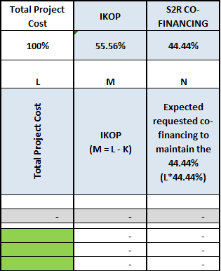

a) Fill in the estimated TPC in the green cell of colomn L.
b) The IKOP value is automatically calculated in column M.
c) Following the TPC amount entered into the L column, the expected co-financing amount to maintain the 44,44% is automatically calculated in the column N. In case the Requested EU Contribution (column K) is above or below the amount of column N, thus above or below the 44,44% threshold, please refer to the Guidance for members and auditors document |  |  |  |  |  | See example n°2 tab 0. here

